SOS Diff
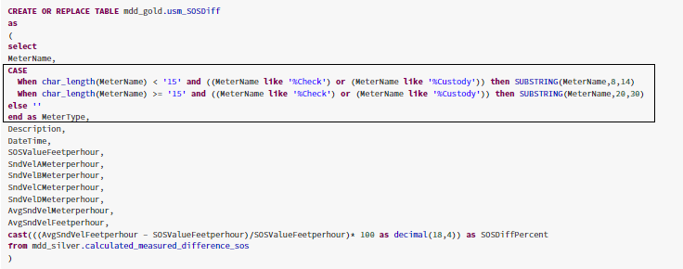
Table Name: | usm_sosdiff

As shown below, we need to make changes to the case statement when a new meter is added

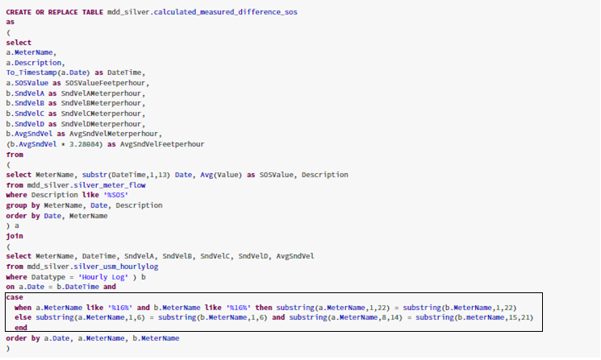

Depending on the new meter's name, we need to change the highlighted code below to include only name of the meter without including the words Check or Custody

USM Custody to Check Diff
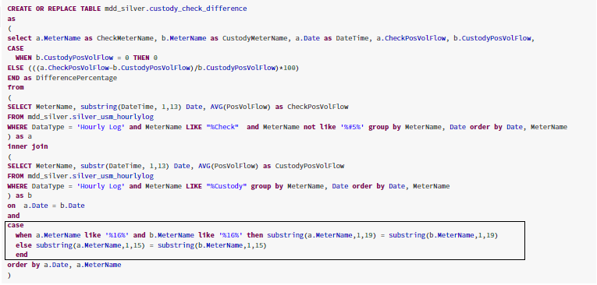
Table Name: | usm_custodytocheckdiff

When a new meter is added, we need to change the highlighted code below. More specifically - the else condition in the case statement

EFM Uncorrected CCD
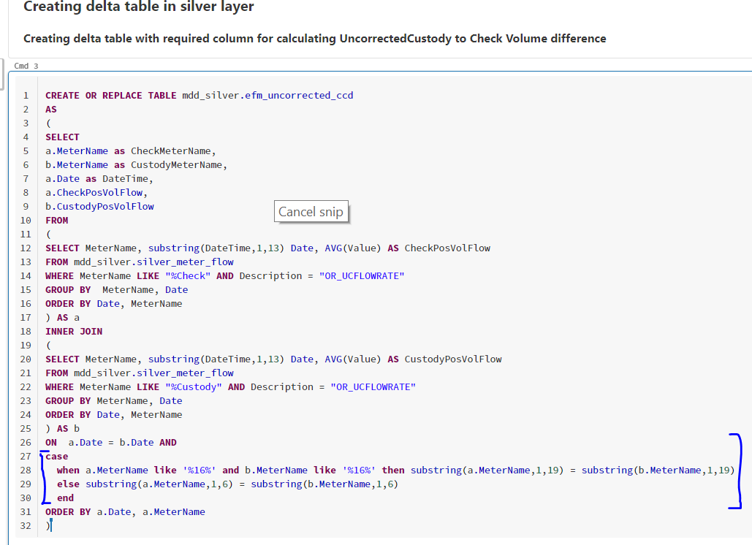
Table Name: | efm_uncorrectedcustodytocheckdiff

When a new meter is added, we need to change the highlighted code below. More specifically - the else condition in the case statement

EFM Corrected CCD
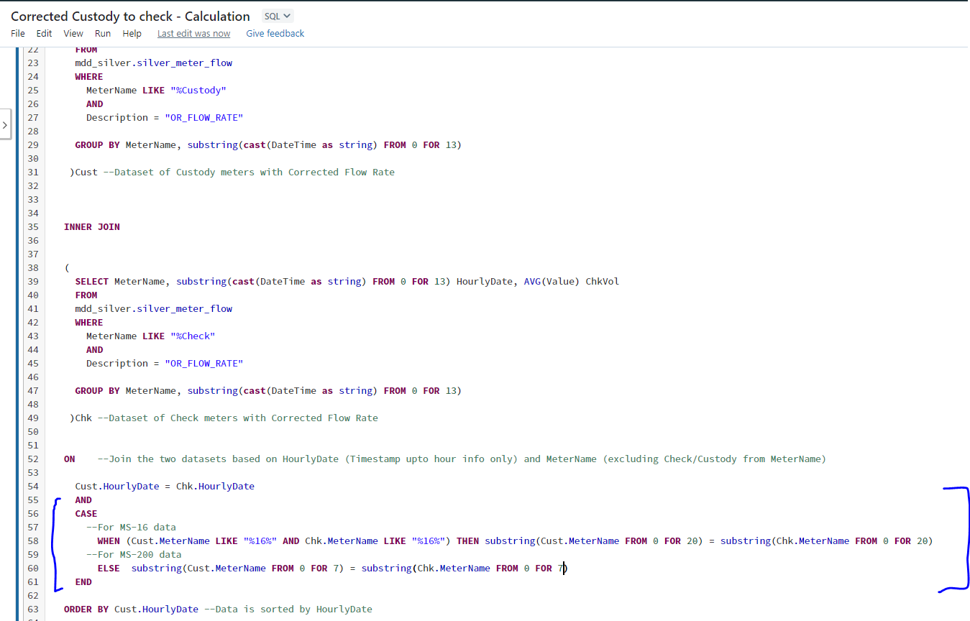
Table Name: | efm_correctedcustodytocheckdiff

When a new meter is added, we need to change the condition on which the JOIN is being done - we need to add a case statement as shown

Process Health
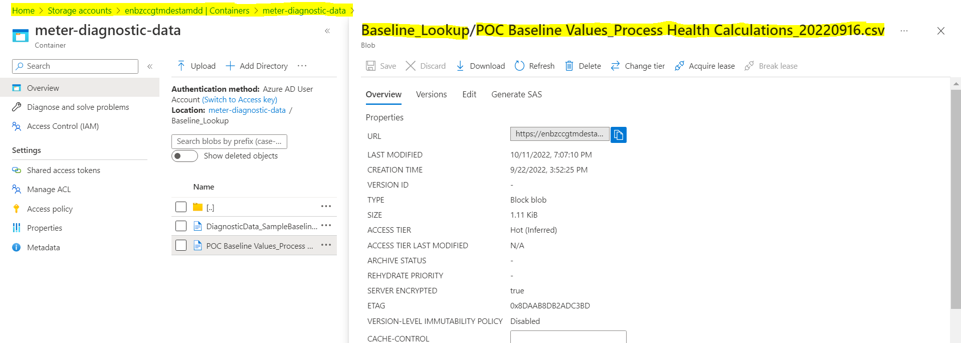
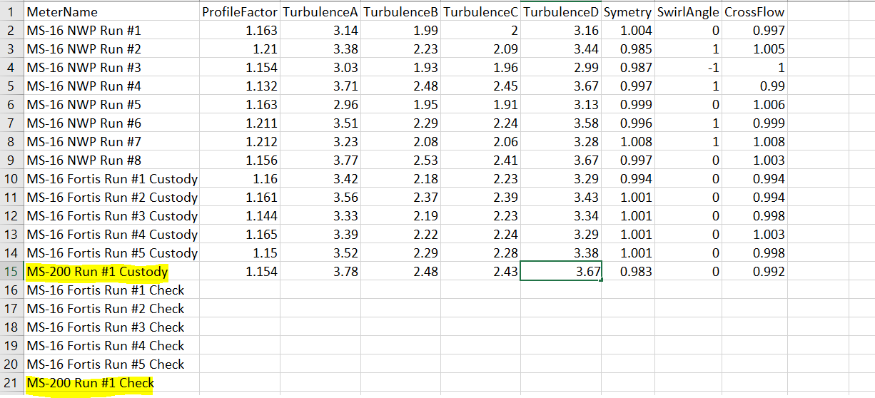
Table Name: | usm_processhealth

Add new meter name (exact value to be specified as seen in hourly log data) and calibration data to csv sheet uploaded on Azure Portal

